Fees
Fees
 |  |  |  |  |  |  |  |  |  |  | Select State | $0.00
 | Complete Package (Pro Rata) |  |  | Mortgage Registration Fee's |  |  | HELP Calculator |  |  |  | QLD | $195.00
 |  |  |  |  |  |  |  |  |  |  | NSW | $146.40
 | Settlement Month | Select Month | $0.00 | State | Select State | #N/A | Application 1 |  |  |  | VIC | $110.80
 |  |  |  | OFI Mortgage on Title | Select Option |  | Total salary per annum | $0 |  |  | ACT | $153.00
 |  |  |  |  |  |  |  |  |  |  | NT | $149.00
 | Broker Commission |  |  | Transfer Duty | $0.00 | (If Refinance leave as $0) | HELP tax rate | 0.0% |  |  | SA | $173.00
 |  |  |  |  |  |  |  |  |  |  | WA | $178.20
 | Loan Amount (Incl Fees) | $- | $- | Document Registration Field | $0.00 |  | HELP commitment per month | $0 |  |  | TAS | $138.51
 | Contract Reference

 | Valuation and LMI Cost Calculation |  |  | Registration Fee Scenario's |  |  | Application 2
 |  |  |  |  |  |  | Total salary per annum | $0 |  |  | Select Month
 | Total Cost of Valuations/LMI | $220.00 |  | Marital Seperation | Treat as Purchase - x 3 Fee's Applicable |  |  |  |  |  | July | 395 | 12
 | GST Portion | $20.00 |  | Transfer of ownership | Treat as Purchase - x 3 Fee's Applicable |  | HELP tax rate | 0.0% |  |  | August | 363 | 11
 | RITC Portion | $5.00 |  |  |  |  |  |  |  |  | September | 330 | 10
 | Total Cost to Customer | $205.00 | ** LMI Calcualtion |  |  |  | HELP commitment per month | $0 |  |  | October | 297 | 9
 | End cost to Customer (less standard fee) | $0.00 | ** Valuation Calculation |  |  |  |  |  |  |  | November | 264 | 8
 |  |  |  |  |  |  |  |  |  |  | December | 231 | 7
 |  |  |  |  |  |  |  |  |  |  | January | 198 | 6
2023 Registration Fee Schedule |  |  |  |  |  |  | LO References |  |  |  | February | 165 | 5
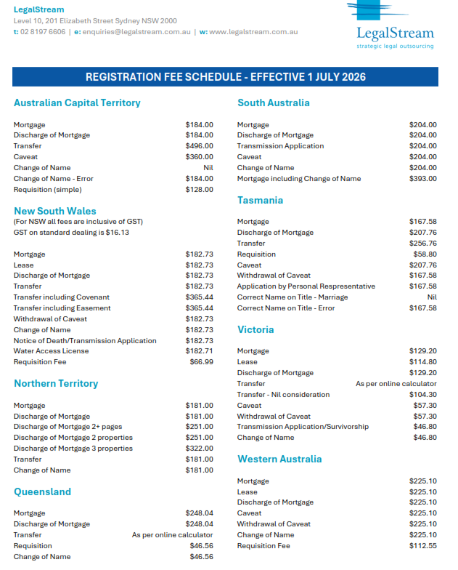
 |  |  |  |  |  |  |  |  |  |  | March | 132 | 4
 |  |  |  |  |  |  | FEES | Amount | Contract Reference | Explanation | April | 99 | 3
 |  |  |  |  |  |  | Valuation Fees | to be added | to be added | Add the valuer's name | May | 66 | 2
 |  |  |  |  |  |  | Lender's Mortgage Insurance | to be added | to be added | Add the Mortgage Insurer's Name | June | 33 | 1
 |  |  |  |  | Mortgage registration |  | Establishment Fee | to be added | MOVE Bank | New Mortgage - $600 and Internal Refinance - $150
 |  |  |  |  |  |  | Loan Switch Fees | to be added | MOVE Bank
 |  |  |  |  | ACT | $184.00 | Mortgage Discharge Fees | $350 | MOVE Bank | Charged by Move Bank to process the discharge
 |  |  |  |  | NSW | $182.73 | Mortgage Discharge Fees- Payable to Others | to be added | LEGALSTREAM PTY LTD | Discharge fees charged by the State Title's Office
 |  |  |  |  | NT | $181.00 | Document Registration Fees | to be added | LEGALSTREAM PTY LTD | Depends on the loan purpose and state
 |  |  |  |  | QLD | $248.04 | Broker Upfront Commission | to be added | Broker Name to be added | This is applicable only for Broker Loans
 |  |  |  |  | SA | $204.00 | Fixed Rate Lock Fee- Disclosure | $375 | MOVE Bank | Our fees
 |  |  |  |  | TAS | $167.58 | QuickDebit Dishonour Fee | $15 | MOVE Bank | Our fees
 |  |  |  |  | VIC | $129.20 | Loan Redraw - Staff Assisted | $25 | MOVE Bank | Our fees
 |  |  |  |  | WA | $225.10 | Annual Package Fee | $395 | MOVE Bank | Only for package products
 |  |  |  |  |  |  | Establishment Fees- Other Securities | to be added | MOVE Bank | This is to be added if there are more than one securities involved
 |  |  |  |  |  |  | Package Product Fee- Pro-Rata | to be added | MOVE Bank | Only for package products
 |  |  |  |  |  |  | Construction Progress Draw | $150 | MOVE Bank | Only for construction loans- $50 each for first three progress payments are to be charged upfront
 |  |  |  |  |  |  | Progress Valuation Fee | to be added | Valuer's name | This amount is twice the progress valuation amount to be charged by the valuer for Progress Inspection only. This is different to the full inspection done at assessment stage before approval. It is usually different depending on the location of the property. Confirm with the valuer if unsure at approval stage. This has to be the same valuer who carried out the full inspection.
 |  |  |  |  |  |  | Progress Draw Fee - Additional | $50 | MOVE Bank
 |  |  |  |  |  |  | Progress Valuation Fee- Additional | to be added | Valuer's name | This amount is the Progress valuation amount to be charged by the valuer if an additional inspection is required

 |  | https://movebank.com.au/quick-links/calculators/stamp-duty/

 |  | https://www.paycalculator.com.au/

ARS223
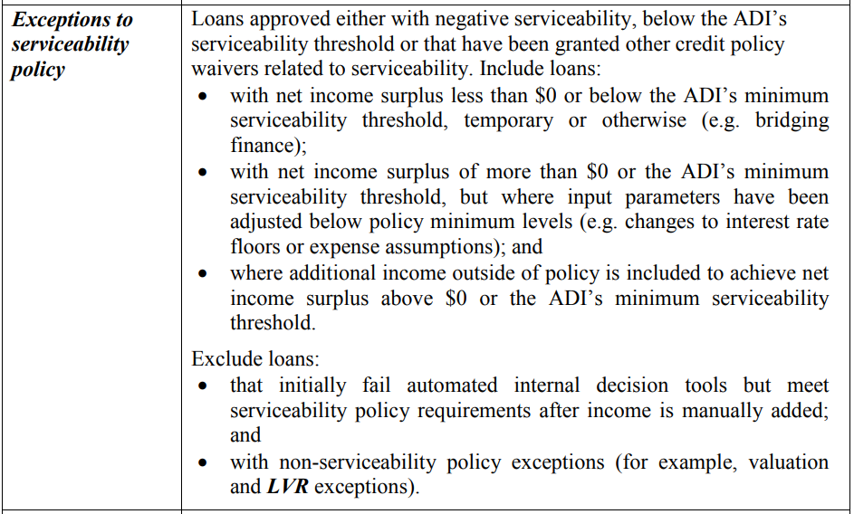
ARS 223 Reporting Data
 |  | APRA Definitions
Information Required | MOVE Data

Is this loan Broker Originated?

Temporarily modified due to Financial Hardship?

Externally refinanced?

Non-Performing Customer Credit History?

Exceptions to Serviceability Policy?
* See definition
Serviceability Verification Waivers?
* See definition
LVR at Approval?

First Home Buyer?

Serviced by foreign sourced income?

Postcodes
 |  | Click on the location wizard link and cut and paste the results into the page

 |  | Location Wizard | Find maximum loan amount | QBE LMI

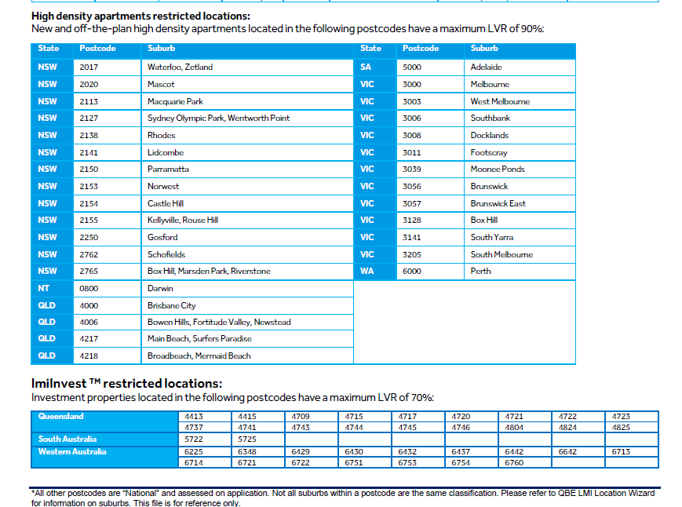

 |  | ** Updated restricted locations received by QBE newsflash effective 08/12/2025.

2871 | CAT2

